Question 1
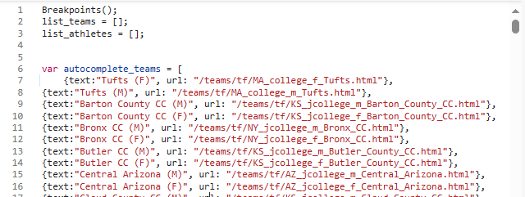

1 | go to https://www.tfrrs.org/
2 | Inspect Network activity
3 | Find the .js file where all Colleges are listed
 | (Screenshot of what the file should look like)
4 | Find that Request URL and paste it in cell C12

7 | Estimated time it took you to complete this:

5 | No need to share any video for this question
6 | No need to share any code files for this question

Question 2
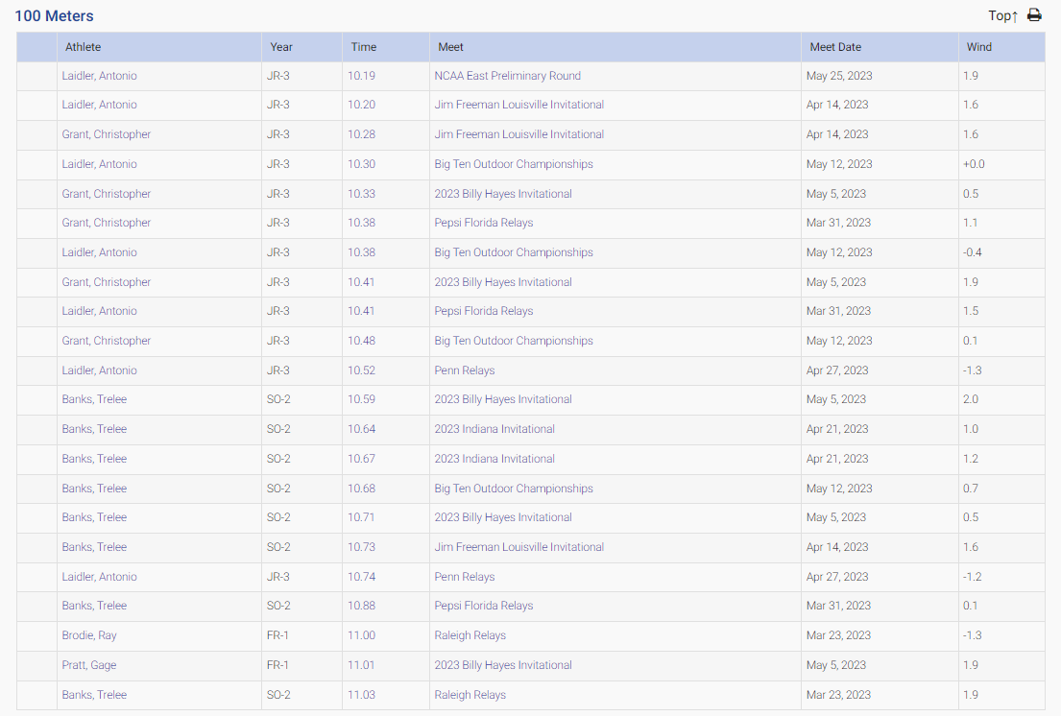

1 | Go to https://www.tfrrs.org/all_performances/IN_college_m_Indiana_IN.html?list_hnd=4153&season_hnd=608
2 | Use any scraping tool of your choice to get all results of the Mens 100m dash
 | (Screenshot of the table you should be scraping)
3 | Put this data into a csv file with the following requirements
 |  | Athlete name changed from Last, First (i.e. Laidler, Antonio) to First Last (i.e. Antonio Laidler)
 |  | Strip the characters so only the digit at the very end is showing (i.e. SO-2 -> 2)
 |  | Keep time as is
 |  | Keep meet as is
 |  | Meet Date converted to epoch date
 |  | Keep wind as is
 | (Screenshot of an example row in the table)
4 | Now that you have this data, create a query (using Python or SQL) that gets the fastest 100m time that each athlete ran
5 | Now go to https://www.tfrrs.org/lists/4768/Pac_12_Outdoor_Performance_List
6 | Scrape the table titled '100 Meters (Men)' using the same instructions as Part 3
7 | Now, looking at that table, what placements would the Indiana 100m Men be if they ran their fastest 100m time?
 |  | Write code that figures this out
 |  | Export to a new csv the complete list including the Indiana Men slotted into their correct placements

8 | Estimated time it took you to complete this:

9 | Link to video explaining your thought process and showing the code running

10 | In the email back to me, please attach a folder that contains all the files used to complete this question

